Sample
Ultrasonic Thickness Measurement Data Sheet

Plant name |  |  |  | LOTTE CHEMICAL TITAN (M) SDN. BHD. |  |  |  |  |  |  |  |  |  |  |  |  |  |  | Date of inspection |  |  |  |  |  | 14-Jan-21
Equipment number |  |  |  | TK-5130B |  |  |  |  |  |  |  |  |  |  |  |  |  |  | Place of inspection |  |  |  |  |  | NC1
Equipment name |  |  |  | Mixed Butane Storage Tank |  |  |  |  |  |  |  |  |  |  |  |  |  |  | Report No |  |  |  |  |  | CE-21-UTTG-LOTTE-TK5130B-001
Drawing number |  |  |  | - |  |  |  |  |  |  |  |  |  |  |  |  |  |  | Applicable laws |  |  |  |  |  | DOSH
Material |  |  |  | Carbon Steel |  |  |  |  |  |  |  |  |  |  |  |  |  |  | Applicable standards |  |  |  |  |  | ASME Sec. V Article 23 SE-797
Time of inspection |  |  |  | ■ | Maintenance |  |  |  |  | □ | After edge preparation |  |  |  |  |  | □ | After welding |  |  |  |  |  |  | □ | After PWHT |  |  |  | □ | After pressure test
Surface condition |  |  |  | □ | Coated |  |  |  |  | ■ | Uncoated |  |  |  |  |  | □ | Grinder |  |  |  |  |  |  | □ | Sandblast |  |  |  | □ | Substrate surface
Instrument name |  |  |  | Model |  |  |  | ANYSCAN-30 (AA301BHA002) |  |  |  |  |  |  |  |  |  |  |  |  | Manufacturer |  |  |  |  |  | DOPPLER
Probe |  |  |  | Model |  |  |  | DA 301 56904 (S/N:53961) |  |  |  |  |  |  |  |  |  |  |  |  | Manufacturer |  |  |  |  |  | DOPPLER
 |  |  |  | Frequency |  |  |  | 5 MHz |  |  |  |  |  |  |  |  |  |  |  |  | Dimensions |  |  |  |  |  | 10 MM
Contact medium |  |  |  | □ | Glycerin |  |  |  |  |  | □ | Machine oil |  |  |  |  | □ | Water |  |  |  |  |  | ■ | Wallpaper paste
Test piece for comparison |  |  |  | Thickness (STEP WEDGE) |  |  |  |  | □ | 5, 10, 15, 20, 20 |  |  |  |  |  |  |  |  |  |  | Material |  |  |  |  |  | ■ | Carbon Steel |  |  | □ | Stainless Steel
 |  |  |  |  |  |  |  |  | ■ | 15, 20, 25, 30, 35, 100 |  |  |  |  |  |  |  |  |  |  |  |  |  |  |  |  | □ | Carbon Steel |  |  | □ | Stainless Steel
Drawings:
Refer Attached Drawings for Location of tested

Point of measurement
 | Point No. | Location Descrp. |  | Nominal Thick. |  | Thickness Measured (mm)

 |  |  |  |  |  | 0° | 18° |  | 36° |  | 54° |  | 72° | 90° | 108° | 126° |  | 144° |  | 162° |  | 180° |  | 198° |  | 216° |  | 234° | 252° | 270° |  | 288° | 306° | 324° | 342°
 | A1 | Equator plate |  | 20.0 |  | 20.2
 | A2 | Equator plate |  | 20.0 |  | 20.4
 | A3 | Equator plate |  | 20.0 |  | 20.3
 | B1 | Equator plate |  | 20.0 |  |  | 20.2
 | B2 | Equator plate |  | 20.0 |  |  | 20.5
 | B3 | Equator plate |  | 20.0 |  |  | 20.4
 | C1 | Equator plate |  | 20.0 |  |  |  |  | 20.3
 | C2 | Equator plate |  | 20.0 |  |  |  |  | 20.4
 | C3 | Equator plate |  | 20.0 |  |  |  |  | 20.6
 | D1 | Equator plate |  | 20.0 |  |  |  |  |  |  | 20.5
 | D2 | Equator plate |  | 20.0 |  |  |  |  |  |  | 20.6
 | D3 | Equator plate |  | 20.0 |  |  |  |  |  |  | 20.5
 | E1 | Equator plate |  | 20.0 |  |  |  |  |  |  |  |  | 20.3
 | E2 | Equator plate |  | 20.0 |  |  |  |  |  |  |  |  | 20.3
 | E3 | Equator plate |  | 20.0 |  |  |  |  |  |  |  |  | 20.4

Prepared By: |  |  |  |  |  |  |  |  |  |  |  |  |  |  |  |  |  |  | Reviewed By:
Company |  |  | CARBON ENERGY INSEPCTION SDN BHD |  |  |  |  |  |  |  |  |  |  |  |  |  |  |  | Company |  |  |  | LOTTE CHEMICAL TITAN (M) SDN BHD
Name |  |  | MAX ADDELLY |  |  |  |  |  |  |  |  |  |  |  |  |  |  |  | Name |  |  |  | MUHAMMAD AUF ASYRAF BIN RAHMAT
Date |  |  | 14/01/2021 |  |  |  |  |  |  |  |  |  |  |  |  |  |  |  | Date
Qualification |  |  | SF-CE-UTG/L2/001 |  |  |  |  |  |  |  |  |  |  |  |  |  |  |  | Designation |  |  |  | LCTM Reliability

SHELL 1
Ultrasonic Thickness Measurement Data Sheet

Plant name |  |  | LOTTE CHEMICAL TITAN (M) SDN. BHD. |  |  |  |  |  |  |  |  |  | Date of inspection |  |  | 14-Jan-21
Equipment number |  |  | TK-5510B |  |  |  |  |  |  |  |  |  | Place of inspection |  |  | NC1
Equipment name |  |  | Mixed Butane Storage Tank |  |  |  |  |  |  |  |  |  | Report No |  |  | CE-21-UTTG-LOTTE-TK5130B-001
Point of measurement
 | Point No. | Location Descrp. | Nominal Thick. | Thickness Measured (mm)

 |  |  |  | 0° | 18° | 36° | 54° | 72° | 90° | 108° | 126° | 144° |  | 162° | 180° | 198° | 216° | 234° | 252° | 270° | 288° | 306° | 324° | 342°
 | F1 | EquatorPlate | 20.0 |  |  |  |  |  | 20.3
 | F2 | EquatorPlate | 20.0 |  |  |  |  |  | 20.3
 | F3 | EquatorPlate | 20.0 |  |  |  |  |  | 20.2
 | G1 | EquatorPlate | 20.0 |  |  |  |  |  |  | 20.3
 | G2 | EquatorPlate | 20.0 |  |  |  |  |  |  | 20.3
 | G3 | EquatorPlate | 20.0 |  |  |  |  |  |  | 20.3
 | H1 | EquatorPlate | 20.0 |  |  |  |  |  |  |  | 20.4
 | H2 | EquatorPlate | 20.0 |  |  |  |  |  |  |  | 20.6
 | H3 | EquatorPlate | 20.0 |  |  |  |  |  |  |  | 20.5
 | I1 | EquatorPlate | 20.0 |  |  |  |  |  |  |  |  | 20.3
 | I2 | EquatorPlate | 20.0 |  |  |  |  |  |  |  |  | 20.4
 | I3 | EquatorPlate | 20.0 |  |  |  |  |  |  |  |  | 20.3
 | J1 | EquatorPlate | 20.0 |  |  |  |  |  |  |  |  |  |  | 20.3
 | J2 | EquatorPlate | 20.0 |  |  |  |  |  |  |  |  |  |  | 20.3
 | J3 | EquatorPlate | 20.0 |  |  |  |  |  |  |  |  |  |  | 20.4
 | K1 | EquatorPlate | 20.0 |  |  |  |  |  |  |  |  |  |  |  | 20.6
 | K2 | EquatorPlate | 20.0 |  |  |  |  |  |  |  |  |  |  |  | 20.6
 | K3 | EquatorPlate | 20.0 |  |  |  |  |  |  |  |  |  |  |  | 20.3
 | L1 | EquatorPlate | 20.0 |  |  |  |  |  |  |  |  |  |  |  |  | 20.3
 | L2 | EquatorPlate | 20.0 |  |  |  |  |  |  |  |  |  |  |  |  | 20.4
 | L3 | EquatorPlate | 20.0 |  |  |  |  |  |  |  |  |  |  |  |  | 20.3
 | M1 | EquatorPlate | 20.0 |  |  |  |  |  |  |  |  |  |  |  |  |  | 20.3
 | M2 | EquatorPlate | 20.0 |  |  |  |  |  |  |  |  |  |  |  |  |  | 20.3
 | M3 | EquatorPlate | 20.0 |  |  |  |  |  |  |  |  |  |  |  |  |  | 20.3
 | N1 | EquatorPlate | 20.0 |  |  |  |  |  |  |  |  |  |  |  |  |  |  | 20.3
 | N2 | EquatorPlate | 20.0 |  |  |  |  |  |  |  |  |  |  |  |  |  |  | 20.4
 | N3 | EquatorPlate | 20.0 |  |  |  |  |  |  |  |  |  |  |  |  |  |  | 20.5
 | O1 | EquatorPlate | 20.0 |  |  |  |  |  |  |  |  |  |  |  |  |  |  |  | 20.4
 | O2 | EquatorPlate | 20.0 |  |  |  |  |  |  |  |  |  |  |  |  |  |  |  | 20.3
 | O3 | EquatorPlate | 20.0 |  |  |  |  |  |  |  |  |  |  |  |  |  |  |  | 20.3

SHELL 1 (2)
Ultrasonic Thickness Measurement Data Sheet

Plant name |  |  | LOTTE CHEMICAL TITAN (M) SDN. BHD. |  |  |  |  |  |  |  |  |  | Date of inspection |  |  | 14-Jan-21
Equipment number |  |  | TK-5510B |  |  |  |  |  |  |  |  |  | Place of inspection |  |  | NC1
Equipment name |  |  | Mixed Butane Storage Tank |  |  |  |  |  |  |  |  |  | Report No |  |  | CE-21-UTTG-LOTTE-TK5130B-001
Point of measurement
 | Point No. | Location Descrp. | Nominal Thick. | Thickness Measured (mm)

 |  |  |  | 0° | 18° | 36° | 54° | 72° | 90° | 108° | 126° | 144° |  | 162° | 180° | 198° | 216° | 234° | 252° | 270° | 288° | 306° | 324° | 342°
 | P1 | EquatorPlate | 20.0 |  |  |  |  |  |  |  |  |  |  |  |  |  |  |  |  | 20.3
 | P2 | EquatorPlate | 20.0 |  |  |  |  |  |  |  |  |  |  |  |  |  |  |  |  | 20.4
 | P3 | EquatorPlate | 20.0 |  |  |  |  |  |  |  |  |  |  |  |  |  |  |  |  | 20.4
 | Q1 | EquatorPlate | 20.0 |  |  |  |  |  |  |  |  |  |  |  |  |  |  |  |  |  | 20.3
 | Q2 | EquatorPlate | 20.0 |  |  |  |  |  |  |  |  |  |  |  |  |  |  |  |  |  | 20.2
 | Q3 | EquatorPlate | 20.0 |  |  |  |  |  |  |  |  |  |  |  |  |  |  |  |  |  | 20.3
 | R1 | EquatorPlate | 20.0 |  |  |  |  |  |  |  |  |  |  |  |  |  |  |  |  |  |  | 20.4
 | R2 | EquatorPlate | 20.0 |  |  |  |  |  |  |  |  |  |  |  |  |  |  |  |  |  |  | 20.3
 | R3 | EquatorPlate | 20.0 |  |  |  |  |  |  |  |  |  |  |  |  |  |  |  |  |  |  | 20.3
 | S1 | EquatorPlate | 20.0 |  |  |  |  |  |  |  |  |  |  |  |  |  |  |  |  |  |  |  | 20.5
 | S2 | EquatorPlate | 20.0 |  |  |  |  |  |  |  |  |  |  |  |  |  |  |  |  |  |  |  | 20.3
 | S3 | EquatorPlate | 20.0 |  |  |  |  |  |  |  |  |  |  |  |  |  |  |  |  |  |  |  | 20.3
 | T1 | EquatorPlate | 20.0 |  |  |  |  |  |  |  |  |  |  |  |  |  |  |  |  |  |  |  |  | 20.4
 | T2 | EquatorPlate | 20.0 |  |  |  |  |  |  |  |  |  |  |  |  |  |  |  |  |  |  |  |  | 20.3
 | T3 | EquatorPlate | 20.0 |  |  |  |  |  |  |  |  |  |  |  |  |  |  |  |  |  |  |  |  | 20.3

SHELL 1 (3)
Ultrasonic Thickness Measurement Data Sheet

Plant name |  |  | LOTTE CHEMICAL TITAN (M) SDN. BHD. |  |  |  |  |  |  |  | Date of inspection |  |  | 14-Jan-21
Equipment number |  |  | TK-5510B |  |  |  |  |  |  |  | Place of inspection |  |  | NC1
Equipment name |  |  | Mixed Butane Storage Tank |  |  |  |  |  |  |  | Report No |  |  | CE-21-UTTG-LOTTE-TK5130B-001
Point of measurement
 | Point No. | Location Descrp. |  | Nominal Thick. | Thickness Measured (mm)

 |  |  |  |  | N | S | E | W | T | B |  | NE | SE | NW | SW
 | A1 | Lower Pole Plate |  | 20.5 |  |  |  |  | 20.7
 | A2 | Lower Pole Plate |  | 20.5 |  |  |  |  | 20.8
 | A3 | Lower Pole Plate |  | 20.5 |  |  |  |  | 20.7
 | B1 | Lower Pole Plate |  | 20.5 |  |  |  |  | 20.7
 | B2 | Lower Pole Plate |  | 20.5 |  |  |  |  | 20.6
 | B3 | Lower Pole Plate |  | 20.5 |  |  |  |  | 20.6
 | C1 | Lower Pole Plate |  | 20.5 |  |  |  |  | 20.6
 | C2 | Lower Pole Plate |  | 20.5 |  |  |  |  | 20.6
 | C3 | Lower Pole Plate |  | 20.5 |  |  |  |  | 20.7
 | D1 | Lower Crown Plate |  | 20.5 | 20.6
 | D2 | Lower Crown Plate |  | 20.5 | 20.8
 | D3 | Lower Crown Plate |  | 20.5 | 21.0
 | E1 | Lower Crown Plate |  | 20.5 |  |  | 20.8
 | E2 | Lower Crown Plate |  | 20.5 |  |  | 21.0
 | E3 | Lower Crown Plate |  | 20.5 |  |  | 20.8
 | F1 | Lower Crown Plate |  | 20.5 |  | 20.8
 | F2 | Lower Crown Plate |  | 20.5 |  | 20.8
 | F3 | Lower Crown Plate |  | 20.5 |  | 20.8
 | G1 | Lower Crown Plate |  | 20.0 |  |  | 20.8
 | G2 | Lower Crown Plate |  | 20.5 |  |  | 20.8
 | G3 | Lower Crown Plate |  | 20.5 |  |  | 21.0

SHELL 1 (4)
Ultrasonic Thickness Measurement Data Sheet

Plant name |  |  | LOTTE CHEMICAL TITAN (M) SDN. BHD. |  |  |  |  |  |  |  | Date of inspection |  |  | 14-Jan-21
Equipment number |  |  | TK-5510B |  |  |  |  |  |  |  | Place of inspection |  |  | NC1
Equipment name |  |  | Mixed Butane Storage Tank |  |  |  |  |  |  |  | Report No |  |  | CE-21-UTTG-LOTTE-TK5130B-001
Point of measurement
 | Point No. | Location Descrp. |  | Nominal Thick. | Thickness Measured (mm)

 |  |  |  |  | N | S | E | W | T | B |  | NE | SE | NW | SW
 | H1 | Lower Ring Plate |  | 20.0 | 20.9
 | H2 | Lower Ring Plate |  | 20.0 | 20.5
 | H3 | Lower Ring Plate |  | 20.0 | 20.8
 | I1 | Lower Ring Plate |  | 20.0 |  |  |  |  |  |  |  | 20.5
 | I2 | Lower Ring Plate |  | 20.0 |  |  |  |  |  |  |  | 20.5
 | I3 | Lower Ring Plate |  | 20.0 |  |  |  |  |  |  |  | 20.4
 | J1 | Lower Ring Plate |  | 20.0 |  |  | 20.5
 | J2 | Lower Ring Plate |  | 20.0 |  |  | 20.6
 | J3 | Lower Ring Plate |  | 20.0 |  |  | 20.6
 | K1 | Lower Ring Plate |  | 20.0 |  |  |  |  |  |  |  |  | 20.5
 | K2 | Lower Ring Plate |  | 20.0 |  |  |  |  |  |  |  |  | 20.7
 | K3 | Lower Ring Plate |  | 20.0 |  |  |  |  |  |  |  |  | 20.7
 | L1 | Lower Ring Plate |  | 20.0 |  | 20.6
 | L2 | Lower Ring Plate |  | 20.0 |  | 20.5
 | L3 | Lower Ring Plate |  | 20.0 |  | 20.4
 | M1 | Lower Ring Plate |  | 20.0 |  |  |  |  |  |  |  |  |  |  | 20.5
 | M2 | Lower Ring Plate |  | 20.0 |  |  |  |  |  |  |  |  |  |  | 20.7
 | M3 | Lower Ring Plate |  | 20.0 |  |  |  |  |  |  |  |  |  |  | 20.5
 | N1 | Lower Ring Plate |  | 20.0 |  |  |  | 20.7
 | N2 | Lower Ring Plate |  | 20.0 |  |  |  | 20.5
 | N3 | Lower Ring Plate |  | 20.0 |  |  |  | 20.6
 | O1 | Lower Ring Plate |  | 20.0 |  |  |  |  |  |  |  |  |  | 20.5
 | O2 | Lower Ring Plate |  | 20.0 |  |  |  |  |  |  |  |  |  | 20.5
 | O3 | Lower Ring Plate |  | 20.0 |  |  |  |  |  |  |  |  |  | 20.6

SHELL 1 (5)
Ultrasonic Thickness Measurement Data Sheet

Plant name |  |  | LOTTE CHEMICAL TITAN (M) SDN. BHD. |  |  |  |  |  |  |  | Date of inspection |  |  | 14-Jan-21
Equipment number |  |  | TK-5510B |  |  |  |  |  |  |  | Place of inspection |  |  | NC1
Equipment name |  |  | Mixed Butane Storage Tank |  |  |  |  |  |  |  | Report No |  |  | CE-21-UTTG-LOTTE-TK5130B-001
Point of measurement
 | Point No. | Location Descrp. |  | Nominal Thick. | Thickness Measured (mm)

 |  |  |  |  | N | S | E | W | T | B |  | NE | SE | NW | SW
 | AA1 | Upper Pole Plate |  | 18.0 |  |  |  |  | 18.5
 | AA2 | Upper Pole Plate |  | 18.0 |  |  |  |  | 18.3
 | AA3 | Upper Pole Plate |  | 18.0 |  |  |  |  | 18.4
 | BB1 | Upper Pole Plate |  | 18.0 |  |  |  |  | 18.4
 | BB2 | Upper Pole Plate |  | 18.0 |  |  |  |  | 18.5
 | BB3 | Upper Pole Plate |  | 18.0 |  |  |  |  | 18.5
 | CC1 | Upper Pole Plate |  | 18.0 |  |  |  |  | 18.5
 | CC2 | Upper Pole Plate |  | 18.0 |  |  |  |  | 18.6
 | CC3 | Upper Pole Plate |  | 18.0 |  |  |  |  | 18.3
 | DD1 | Upper Crown Plate |  | 18.0 | 18.7
 | DD2 | Upper Crown Plate |  | 18.0 | 18.6
 | DD3 | Upper Crown Plate |  | 18.0 | 18.6
 | EE1 | Upper Crown Plate |  | 18.0 |  |  | 18.5
 | EE2 | Upper Crown Plate |  | 18.0 |  |  | 18.5
 | EE3 | Upper Crown Plate |  | 18.0 |  |  | 18.5
 | FF1 | Upper Crown Plate |  | 18.0 |  | 18.4
 | FF2 | Upper Crown Plate |  | 18.0 |  | 18.3
 | FF3 | Upper Crown Plate |  | 18.0 |  | 18.5
 | GG1 | Upper Crown Plate |  | 18.0 |  |  |  | 18.4
 | GG2 | Upper Crown Plate |  | 18.0 |  |  |  | 18.5
 | GG3 | Upper Crown Plate |  | 18.0 |  |  |  | 18.5

SHELL 1 (6)
Ultrasonic Thickness Measurement Data Sheet

Plant name |  |  | LOTTE CHEMICAL TITAN (M) SDN. BHD. |  |  |  |  |  |  |  | Date of inspection |  |  | 14-Jan-21
Equipment number |  |  | TK-5510B |  |  |  |  |  |  |  | Place of inspection |  |  | NC1
Equipment name |  |  | Mixed Butane Storage Tank |  |  |  |  |  |  |  | Report No |  |  | CE-21-UTTG-LOTTE-TK5130B-001
Point of measurement
 | Point No. | Location Descrp. |  | Nominal Thick. | Thickness Measured (mm)

 |  |  |  |  | N | S | E | W | T | B |  | NE | SE | NW | SW
 | HH1 | Upper Ring Plate |  | 18.0 | 18.76
 | HH2 | Upper Ring Plate |  | 18.0 | 18.6
 | HH3 | Upper Ring Plate |  | 18.0 | 18.3
 | II1 | Upper Ring Plate |  | 18.0 |  |  |  |  |  |  |  | 18.6
 | II2 | Upper Ring Plate |  | 18.0 |  |  |  |  |  |  |  | 18.5
 | II3 | Upper Ring Plate |  | 18.0 |  |  |  |  |  |  |  | 18.5
 | JJ1 | Upper Ring Plate |  | 18.0 |  |  | 18.6
 | JJ2 | Upper Ring Plate |  | 18.0 |  |  | 18.3
 | JJ3 | Upper Ring Plate |  | 18.0 |  |  | 18.5
 | KK1 | Upper Ring Plate |  | 18.0 |  |  |  |  |  |  |  |  | 18.4
 | KK2 | Upper Ring Plate |  | 18.0 |  |  |  |  |  |  |  |  | 18.5
 | KK3 | Upper Ring Plate |  | 18.0 |  |  |  |  |  |  |  |  | 18.2
 | LL1 | Upper Ring Plate |  | 18.0 |  | 18.7
 | LL2 | Upper Ring Plate |  | 18.0 |  | 18.8
 | LL3 | Upper Ring Plate |  | 18.0 |  | 18.6
 | MM1 | Upper Ring Plate |  | 18.0 |  |  |  |  |  |  |  |  |  |  | 18.4
 | MM2 | Upper Ring Plate |  | 18.0 |  |  |  |  |  |  |  |  |  |  | 18.4
 | MM3 | Upper Ring Plate |  | 18.0 |  |  |  |  |  |  |  |  |  |  | 18.3
 | NN1 | Upper Ring Plate |  | 18.0 |  |  |  | 18.5
 | NN2 | Upper Ring Plate |  | 18.0 |  |  |  | 18.6
 | NN3 | Upper Ring Plate |  | 18.0 |  |  |  | 18.6
 | OO1 | Upper Ring Plate |  | 18.0 |  |  |  |  |  |  |  |  |  | 18.5
 | OO2 | Upper Ring Plate |  | 18.0 |  |  |  |  |  |  |  |  |  | 18.2
 | OO3 | Upper Ring Plate |  | 18.0 |  |  |  |  |  |  |  |  |  | 18.5

Sheet2
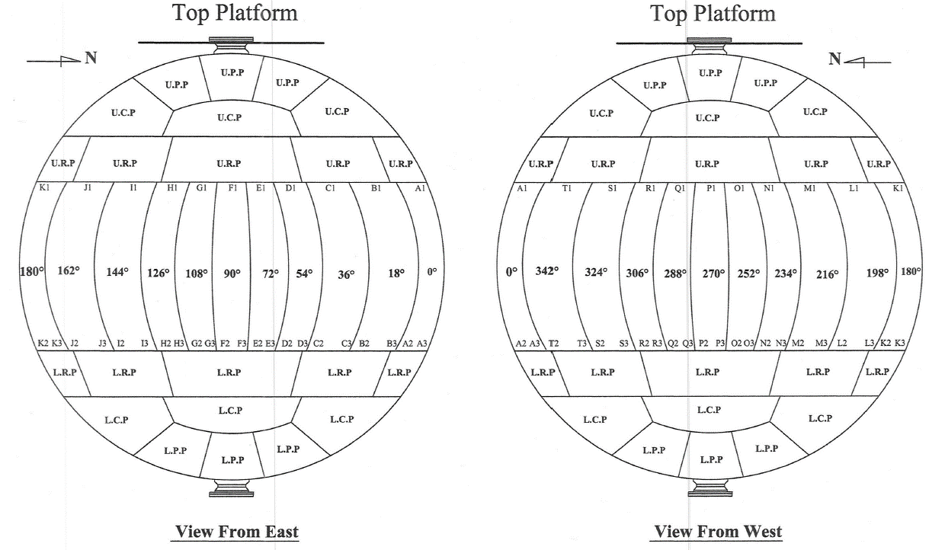
Mixed Butane Storage Tank

TK-5130B

Sheet2 (2)
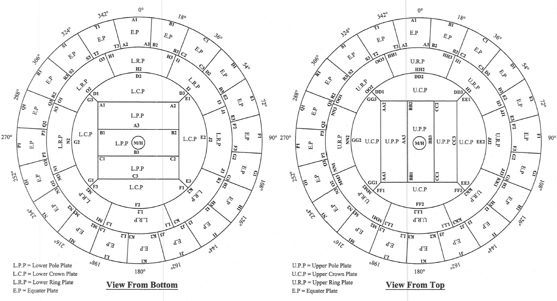
Mixed Butane Storage Tank

TK-5130B

